Instructions
Instructions for use

The Responsible Entities Risk Consequence and Contingency (RERCC) Plan risk register template helps responsible entities comply with section 74F of the Circular Economy (Waste Reduction and Recycling) Act 2021 and regulation 12 of the Circular Economy (Waste Reduction and Recycling) (Risk, Consequence and Contingency Plans and Other Matters) Regulations 2023, by identifying, assessing, prioritising, and reporting enterprise risks.

This tool is structured as follows:
Lookup tab | The Lookup tab provides risk assessment criteria to allow users to assess identified risks using a scaled criteria table relevant to your business.
 | BEFORE YOU BEGIN
 | You will need to set up the scaled criteria table as shown in the example provided in Part 3: Risk Assessment of the RERCC Plan guidelines, that reflects the relevant criteria for each level of risk rating, relevant to your business.
 | Once established, update the risk matrix, consequence and likelihood lists in the lookup tab using the pre-prepared criteria.
 | Warning: this spreadsheet is packaged with risk rating criteria to illustrate how the spreadsheet and risk rating process operates. The prepackaged criteria may not be relevant to your business and could be misleading if not tailored to your business.
Risk Register tab | The risk register tab provides an editable risk register enabling documentation of risks, causes, consequences, controls and mitigations that supports risk review, monitoring and reporting

Disclaimer | The RERCC Plan risk register template may be of assistance to you, but the State of Victoria and its employees do not guarantee that the publication is without flaw of any kind or is wholly appropriate for your particular purposes and therefore disclaims all liability for any error, loss or other consequence which may arise from you relying on any information in this publication.
Risk management process
 | This template applies the risk management process set out in AS ISO31000:2018 Risk management guidelines as shown below.
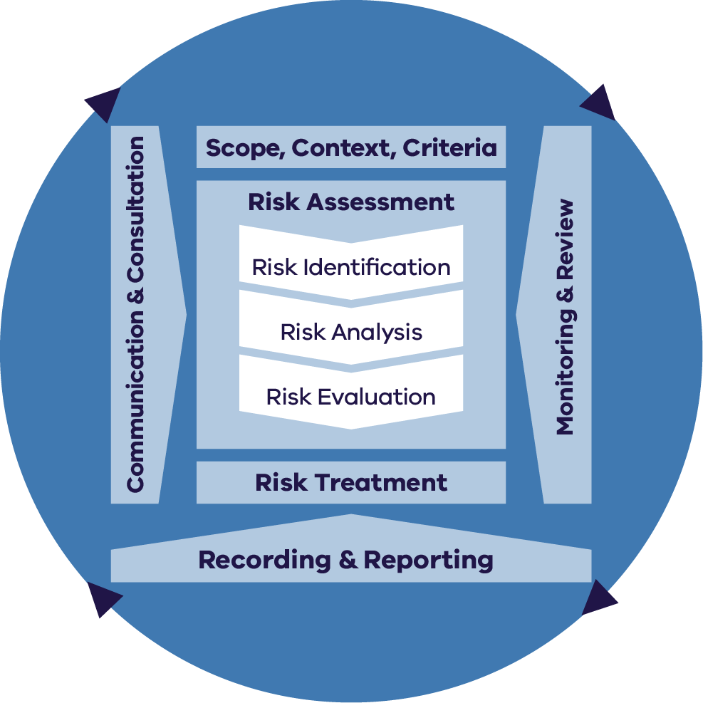

Reproduced by Department of Energy, Environment and Climate Action (DEECA) in Victoria with the permission of Standards Australia Limited under licence CFL0424DEECAVIC.
Copyright in AS ISO 31000:2018 vests in Standards Australia and ISO. Users must not copy or reuse this work without the permission of Standards Australia or the copyright owner.
Risk Register tab | The risk register tab contains a structure supporting the risk assessment, risk treatment, recording and monitoring stages of the process.

How to identify risks | Identify what can happen, where and when. Identify who or what is specifically involved in the source of the risk.
 | Consider what could go wrong that could impact the achievement of objectives or result in missed opportunities.
 | Identify why and how it can happen. Consider what might be the main causal factors of the event.
 | Consider short and long-term impacts and emerging, as well as current risks. Also, consider how quickly the risks are likely to materialise.
 | Consider where there are or may be dependencies and / or vulnerabilities.
 | Ensure all risks have an allocated a risk owner.
 | Use the columns under the 'Risk Identification' heading (columns A-H in the Risk Register tab) to populate the information about identified risks.

Links between CERCC and RERCC risks | The serious risks to widespread service continuity and in progressing and developing a more circular economy are described in the CERCC Plan (column I in the Risk Register). Responsible entities need to consider these risks, in conjunction with their own identified risks, and select related CERCC risks where relevant, to demonstrate due regard to the CERCC plan and shape their risk management interventions.

How to analyse risks | Consider the risks identified above, focusing on the causes and consequences.
 | What measures (controls) are currently in place to prevent the risk from arising, detect the risk if it does arise and reduce the severity of the consequences.
 | Use the columns under the 'Existing controls' heading (columns J-N in the Risk Register tab) to populate the controls currently in place to mitigate the identified risks.
 | Are the controls that are in place now to mitigate the risks working as expected? (control effectiveness).
 | Ensure all of the controls have a control owner.

How to rate risks | Given the controls that are currently in place, how do you rate the likelihood of the risk occurring and the level of consequence?
 | Use the columns under the 'Current risk assessment' heading (columns O-Q in the Risk Register tab) to document the rating for each risk.

Treatment plan | Review the Current risk ratings (column Q in the Risk Register tab). For each risk, determine if the risk rating is too high or at a level that you accept and select the corresponding risk treatment option.
 | Where risk ratings are considered too high despite existing controls, determine what more needs to be done to further reduce the risk.
 | Use the 'Treatment Plan' columns (columns R-V in the Risk Register tab) to document the additional measures that are required to further reduce the risk, ensuring they are funded, resourced and planned for.

Residual risk rating | What level of residual risk is anticipated to remain once the treatments have been completed?
 | Use the columns under 'Residual risk assessment' (columns W-Y in the Risk Register tab) to document the residual risk rating for each risk.

Monitoring | By using this risk register, you can monitor treatment progress and ensure that additional measures are implemented to reduce risk.

Reporting | Use of this risk register will assist you in meeting reporting requirements.

